Sheet1
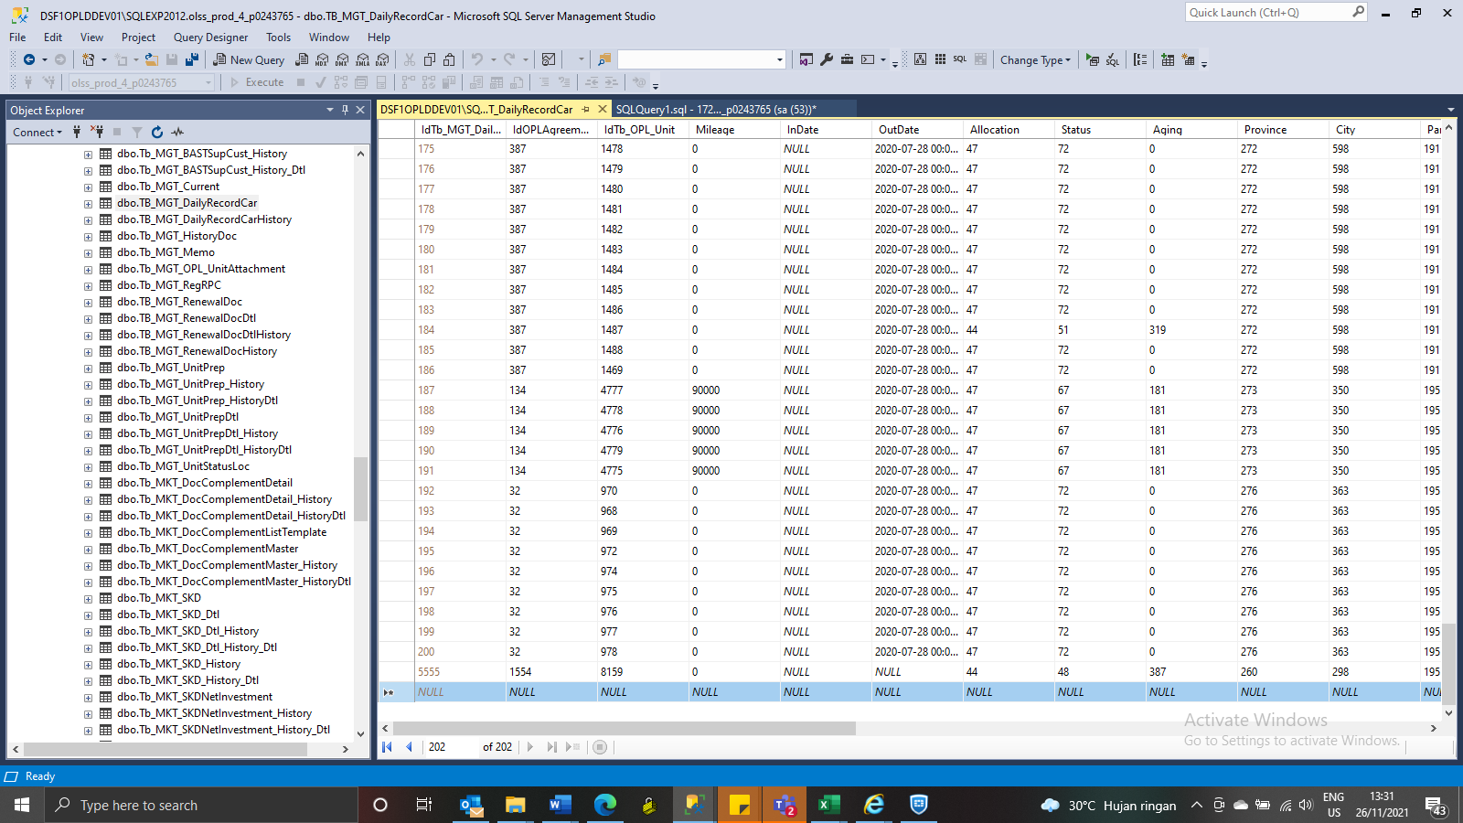
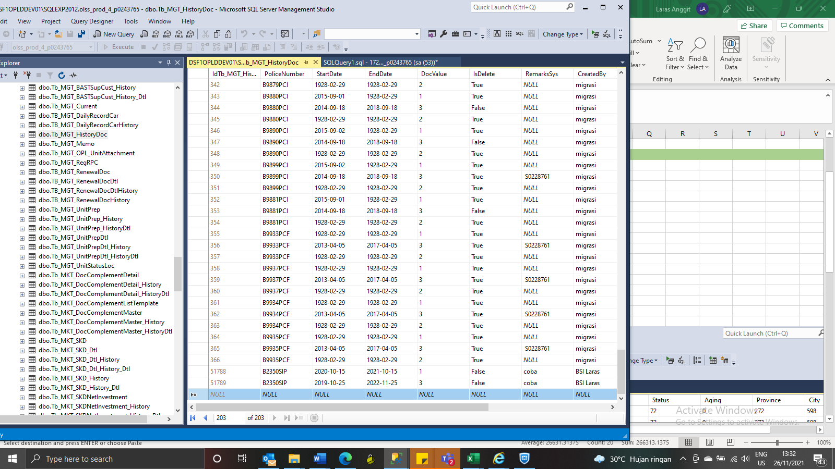
IdTb_MGT_DailyRecordCar | IdOPLAgreement | IdTb_OPL_Unit | Mileage | InDate | OutDate | Allocation | Status | Aging | Province | City | ParkingLocation | SoldPrice | BookValue | GainLoss | SoldDate | ContractStatus | BuyerName | Remark | IsDelete | RemarksSys | CreatedBy | CreatedDate | LastUpdatedBy | LastUpdatedDate
 | 2284 | 12498 | 0 | 2021-10-06 | NULL | 45 | 54 | 9 | NULL | NULL | 203 | 0 | 0 | 0 | NULL | 81 | NULL | S0249139 | 0 | S0249149 | BSI Marion | 2021-10-15 | NULL | NULL
 | 2284 | 12499 | 0 | 2021-10-06 | NULL | 45 | 54 | 9 | NULL | NULL | 203 | 0 | 0 | 0 | NULL | 81 | NULL | S0249139 | 0 | S0249149 | BSI Marion | 2021-10-15 | NULL | NULL

 | 2284 | 12669 | 0 | 2021-11-16 | NULL | 45 | 54 | 0 | NULL | NULL | 203 | 0 | 0 | 0 | NULL | 81 | NULL | S0253121 | 0 | S0253121 | BSI Laras | 2021-11-16 | NULL | NULL

 | 1554 | 8159 | 0 | NULL | 2020-07-28 00:00:00 | 44 | 48 | 387 | 260 | 298 | 195 | 0 | 0 | 0 | NULL | 81 | NULL | Coba | 0 | Coba | BSI Laras | 2021-11-26 | NULL | NULL

IdTb_MGT_HistoryDoc | PoliceNumber | StartDate | EndDate | DocValue | IsDelete | RemarksSys | CreatedBy | CreatedDate | LastModifiedBy | LastModifiedDate
 | B9736PCR | 2021-08-16 | 2022-08-16 | 1 | 0 | S0249149 | BSI Marion | 2021-10-15 | NULL | NULL
 | B9736PCR | 2021-08-25 | 2022-02-25 | 2 | 0 | S0249149 | BSI Marion | 2021-10-15 | NULL | NULL
 | B9736PCR | 2021-08-16 | 2021-08-16 | 3 | 0 | S0249149 | BSI Marion | 2021-10-15 | NULL | NULL
 | B9875PCR | 2021-08-16 | 2022-08-16 | 1 | 0 | S0249149 | BSI Marion | 2021-10-15 | NULL | NULL
 | B9875PCR | 2021-08-25 | 2022-02-25 | 2 | 0 | S0249149 | BSI Marion | 2021-10-15 | NULL | NULL
 | B9875PCR | 2021-08-16 | 2021-08-16 | 3 | 0 | S0249149 | BSI Marion | 2021-10-15 | NULL | NULL

 | B9983PCR | 2021-09-27 | 2022-09-27 | 1 | 0 | S0253121 | BSI Laras | 2021-11-16 | NULL | NULL
 | B9983PCR | 2021-08-08 | 2022-04-08 | 2 | 0 | S0253121 | BSI Laras | 2021-11-16 | NULL | NULL
 | B9983PCR | 2021-09-27 | 2022-09-27 | 3 | 0 | S0253121 | BSI Laras | 2021-11-16 | NULL | NULL

 | B2350SIP | 2020-10-15 | 2021-10-15 | 1 | 0 | coba | BSI Laras | 2021-11-26 | NULL | NULL
 | B2350SIP | 2019-10-25 | 2022-11-25 | 3 | 0 | coba | BSI Laras | 2021-11-26 | NULL | NULL

